Model Outputs
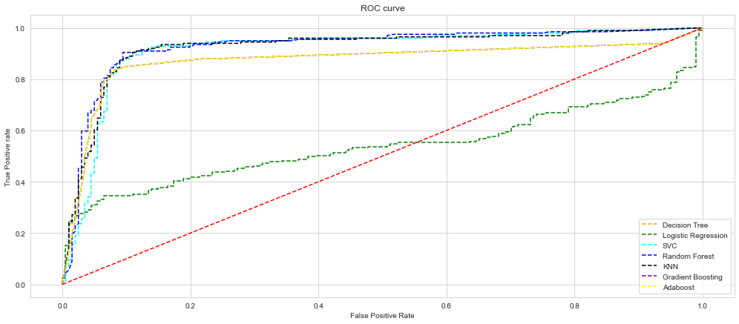
Model | Accuracy | Classifier | AUC
Random Forest | 0.8975 | Random Forest | 0.927036
KNN | 0.8925 | KNN | 0.922623
GradientBoosting | 0.8925 | SVC | 0.915498
SVC | 0.89 | Decision Tree_AUC | 0.872834
AdaBoost | 0.89 | GradientBoosting | 0.872834
Decision Tree | 0.865 | AdaBoost | 0.872834
Logistic Regression | 0.58 | Logistic Regression | 0.538813

ROC Curve

